Sheet1
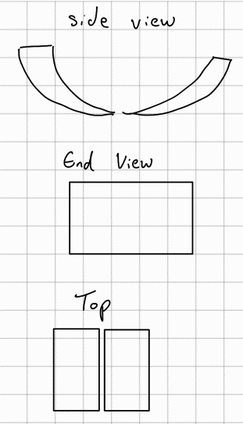
All scores 1 -10, 10 being good apart from Cost - smaller is better
Name: | Dominic | Design Number
Criteria | Impact/1 | 1 |  | 2 |  | 3 |  | 4 |  | 5 |  | 6 |  | Designs | 1 |  |  | The gripper scoops up the resistor and places it on a circuit to measure the resistance |  | 3 | Similar to a claw the resistor is picked up and placed on a circuit to me measured then moved again
 |  | Score | Adjusted | Score | Adjusted | Score | Adjusted | Score | Adjusted | Score | Adjusted | Score | Adjusted
Maintance | 1 | 10 | 10 | 8 | 8 | 6 | 6 | 9 | 9 | 10 | 10 | 5 | 5
Manufactroing | 0.8 | 10 | 8 | 10 | 8 | 6 | 4.8 | 7 | 5.6 | 10 | 7 | 5 | 4
Measuring Ability | 1 | 5 | 5 | 7 | 7 | 5 | 5 | 10 | 10 | 5 | 5 | 7 | 7
Material/Cost | -0.9 | 5 | -4.5 | 4 | -3.6 | 5 | -4.5 | 2 | -1.8 | 6 | -5.4 | 3 | -2.7
Durability | 1 | 10 | 10 | 10 | 10 | 3 | 3 | 10 | 10 | 10 | 10 | 2 | 2
Installation | 0.7 | 10 | 7 | 7 | 4.9 | 6 | 4.2 | 8 | 5.6 | 10 | 7 | 5 | 3.5
Reliability | 1 | 8 | 8 | 8 | 8 | 4 | 4 | 9 | 9 | 8 | 8 | 4 | 4 |  |  |  |  |  |  | 4
 |  | Design 1 total | 43.5 | Design 2 total | 42.3 | Design 3 total | 22.5 | Design 4 total | 47.4 | Design 5 total | 41.6 | Design 6 total | 22.8

Name: | James | Design Number
Criteria | Impact/1 | 1 |  | 2 |  | 3 |  | 4 |  | 5 |  | 6 |  |  | 2 |  |  | The gripper scoops up the resistor and uses the contact pads on the ends to measure the resistance while in transit
 |  | Score | Adjusted | Score | Adjusted | Score | Adjusted | Score | Adjusted | Score | Adjusted | Score | Adjusted
Maintance | 1 | 9 | 9 | 7 | 7 | 2 | 2 | 10 | 10 | 7 | 7 | 2 | 2
Manufactroing | 0.8 | 10 | 8 | 10 | 8 | 5 | 4 | 6 | 4.8 | 6 | 4.8 | 3 | 2.4
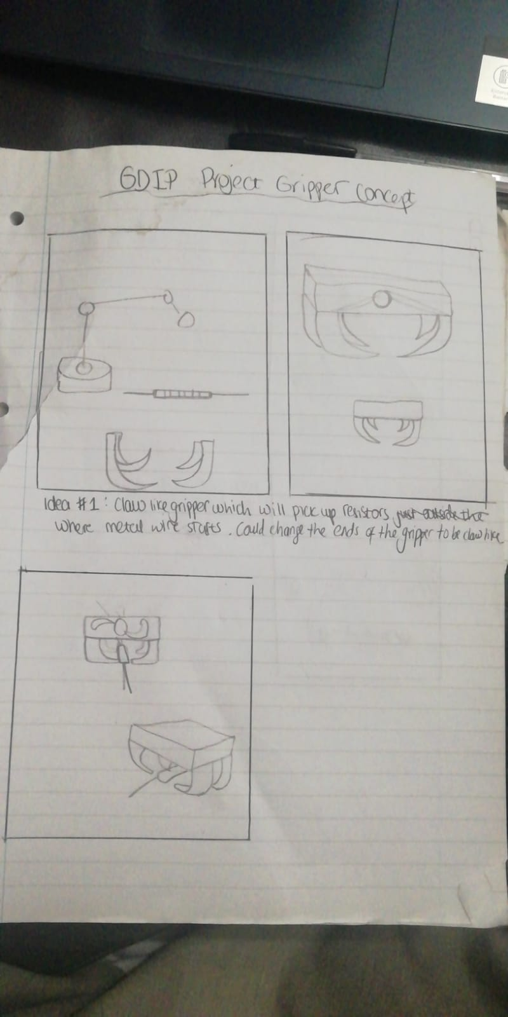
Measuring Ability | 1 | 4 | 4 | 7 | 7 | 2 | 2 | 10 | 10 | 3 | 3 | 7 | 7
Material/Cost | -0.9 | 5 | -4.5 | 4 | -3.6 | 7 | -6.3 | 3 | -2.7 | 2 | -1.8 | 1 | -0.9 |  |  |  |  |  |  | 5 |  | Similar to design 1
Durability | 1 | 9 | 9 | 10 | 10 | 2 | 2 | 9 | 9 | 10 | 10 | 1 | 1
Installation | 0.7 | 8 | 5.6 | 8 | 5.6 | 8 | 5.6 | 9 | 6.3 | 9 | 6.3 | 4 | 2.8
Reliability | 1 | 9 | 9 | 8 | 8 | 4 | 4 | 8 | 8 | 10 | 10 | 2 | 2
 |  | Design 1 total | 40.1 | Design 2 total | 42 | Design 3 total | 13.3 | Design 4 total | 45.4 | Design 5 total | 39.3 | Design 6 total | 16.3

Name: | Saad | Design Number
Criteria | Impact/1 | 1 |  | 2 |  | 3 |  | 4 |  | 5 |  | 6
 |  | Score | Adjusted | Score | Adjusted | Score | Adjusted | Score | Adjusted | Score | Adjusted | Score | Adjusted
Maintance | 1 | 7 | 7 | 8 | 8 | 2 | 2 | 9 | 9 | 7 | 7 | 2 | 2 |  | 3 | Similar to a claw the resistor is picked up and placed on a circuit to me measured then moved again
Manufactroing | 0.8 | 6 | 4.8 | 9 | 7.2 | 4 | 3.2 | 7 | 5.6 | 8 | 6.4 | 3 | 2.4
Measuring Ability | 1 | 2 | 2 | 8 | 8 | 3 | 3 | 9 | 9 | 6 | 6 | 6 | 6
Material/Cost | -0.9 | 2 | -1.8 | 3 | -2.7 | 7 | -6.3 | 2 | -1.8 | 5 | -4.5 | 1 | -0.9
Durability | 1 | 10 | 10 | 9 | 9 | 1 | 1 | 8 | 8 | 8 | 8 | 2 | 2 |  |  |  |  |  |  | 6
Installation | 0.7 | 10 | 7 | 10 | 7 | 8 | 5.6 | 10 | 7 | 10 | 7 | 3 | 2.1 |  |  |  |  |  |  |  |  | Hooks at the end of wires pick up resistor and then measure as they are conductive
Reliability | 1 | 10 | 10 | 9 | 9 | 4 | 4 | 9 | 9 | 8 | 8 | 4 | 4
 |  | Design 1 total | 39 | Design 2 total | 45.5 | Design 3 total | 12.5 | Design 4 total | 45.8 | Design 5 total | 37.9 | Design 6 total | 17.6

Name: | John | Design Number
Criteria | Impact/1 | 1 |  | 2 |  | 3 |  | 4 |  | 5 |  | 6
 |  | Score | Adjusted | Score | Adjusted | Score | Adjusted | Score | Adjusted | Score | Adjusted | Score | Adjusted
Maintance | 1 | 9 | 9 | 6 | 6 | 2 | 2 | 7 | 7 | 8 | 8 | 3 | 3
Manufactroing | 0.8 | 7 | 5.6 | 9 | 7.2 | 4 | 3.2 | 6 | 4.8 | 5 | 4 | 3 | 2.4
Measuring Ability | 1 | 2 | 2 | 9 | 9 | 3 | 3 | 10 | 10 | 4 | 4 | 9 | 9
Material/Cost | -0.9 | 3 | -2.7 | 5 | -4.5 | 7 | -6.3 | 4 | -3.6 | 5 | -4.5 | 1 | -0.9
Durability | 1 | 10 | 10 | 8 | 8 | 1 | 1 | 10 | 10 | 10 | 10 | 1 | 1
Installation | 0.7 | 9 | 6.3 | 8 | 5.6 | 8 | 5.6 | 7 | 4.9 | 9 | 6.3 | 6 | 4.2
Reliability | 1 | 10 | 10 | 7 | 7 | 4 | 4 | 10 | 10 | 10 | 10 | 1 | 1
 |  | Design 1 total | 40.2 | Design 2 total | 38.3 | Design 3 total | 12.5 | Design 4 total | 43.1 | Design 5 total | 37.8 | Design 6 total | 19.7

Name: | Combined | Design Number
Criteria | Impact/1 | 1 |  | 2 |  | 3 |  | 4 |  | 5 |  | 6 |  |  |  |  | Document sign off |  |  |  |  | Stakeholder sign off | Which Stakeholder
 |  | Score | Adjusted | Score | Adjusted | Score | Adjusted | Score | Adjusted | Score | Adjusted | Score | Adjusted |  |  |  | Dominic | James | John | Saad | Emre | Yes | UWE Fet Team
Maintance | 1 | 8.75 | 8.75 | 7.25 | 7.25 | 3 | 3 | 8.75 | 8.75 | 8 | 8 | 3 | 3 |  |  |  | Yes | Yes | Yes | Yes | Yes
Manufactroing | 0.8 | 8.25 | 6.6 | 9.5 | 7.6 | 4.75 | 3.8 | 6.5 | 5.2 | 7.25 | 5.8 | 3.5 | 2.8
Measuring Ability | 1 | 3.25 | 3.25 | 7.75 | 7.75 | 3.25 | 3.25 | 9.75 | 9.75 | 4.5 | 4.5 | 7.25 | 7.25
Material/Cost | -0.9 | 3.75 | -3.375 | 4 | -3.6 | 6.5 | -5.85 | 2.75 | -2.475 | 4.5 | -4.05 | 1.5 | -1.35
Durability | 1 | 9.75 | 9.75 | 9.25 | 9.25 | 1.75 | 1.75 | 9.25 | 9.25 | 9.5 | 9.5 | 1.5 | 1.5
Installation | 0.7 | 9.25 | 6.475 | 8.25 | 5.775 | 7.5 | 5.25 | 8.5 | 5.95 | 9.5 | 6.65 | 4.5 | 3.15
Reliability | 1 | 9.25 | 9.25 | 8 | 8 | 4 | 4 | 9 | 9 | 9 | 9 | 2.75 | 2.75
 |  | Design 1 total | 40.7 | Design 2 total | 42.025 | Design 3 total | 15.2 | Design 4 total | 45.425 | Design 5 total | 39.4 | Design 6 total | 19.1

